Sheet1
Pad Layout on Board |  | Pad | Cap Pin | Element | Channel
Top | 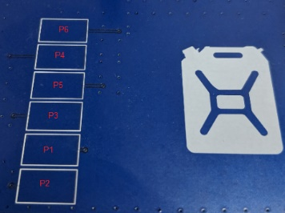 | P6 | CAP3.3 | E05 | 5
 |  | P4 | CAP3.1 | E03 | 2
 |  | P5 | CAP2.2 | E04 | 3
 |  | P3 | CAP2.1 | E02 | 1
 |  | P1 | CAP2.0 | E00 | 0
Bottom |  | P2 | CAP0.3 | E01 | 4

